data
x_axis | y_axis
2028 | 0.020153550864
2029 | 0.023032629559
2030 | 0.028790786948
2031 | 0.034548944338
2032 | 0.040307101727
2033 | 0.043186180422
2034 | 0.048944337812
2035 | 0.054702495202
2036 | 0.060460652591
2037 | 0.066218809981
2038 | 0.069097888676
2039 | 0.07773512476
2040 | 0.08349328215
2041 | 0.089251439539
2042 | 0.095009596929
2043 | 0.10364683301
2044 | 0.1094049904
2045 | 0.11516314779
2046 | 0.12380038388
2047 | 0.12955854127
2048 | 0.12955854127
2049 | 0.14395393474
2050 | 0.14971209213
2051 | 0.15547024952
2052 | 0.16122840691
2053 | 0.16986564299
2054 | 0.17562380038
2055 | 0.18138195777
2056 | 0.19001919386
2057 | 0.19577735125
2058 | 0.20153550864
2059 | 0.21017274472
2060 | 0.21593090211
2061 | 0.2245681382
2062 | 0.23320537428
2063 | 0.24472168906
2064 | 0.25335892514
2065 | 0.26199616123
2066 | 0.27063339731
2067 | 0.2792706334
2068 | 0.28790786948
2069 | 0.29942418426
2070 | 0.30518234165
2071 | 0.31669865643
2072 | 0.32533589251
2073 | 0.33685220729
2074 | 0.34548944338
2075 | 0.35412667946
2076 | 0.36564299424
2077 | 0.37428023033
2078 | 0.38579654511
2079 | 0.39443378119
2080 | 0.40307101727
2081 | 0.41458733205
2082 | 0.42610364683
2083 | 0.43761996161
2084 | 0.44913627639
2085 | 0.46065259117
2086 | 0.47216890595
2087 | 0.48368522073
2088 | 0.49520153551
2089 | 0.50671785029
2090 | 0.51823416507
2091 | 0.52975047985
2092 | 0.54414587332
2093 | 0.55854126679
2094 | 0.57005758157
2095 | 0.58445297505
2096 | 0.59884836852
2097 | 0.6103646833
2098 | 0.62476007678
2099 | 0.63915547025

picture
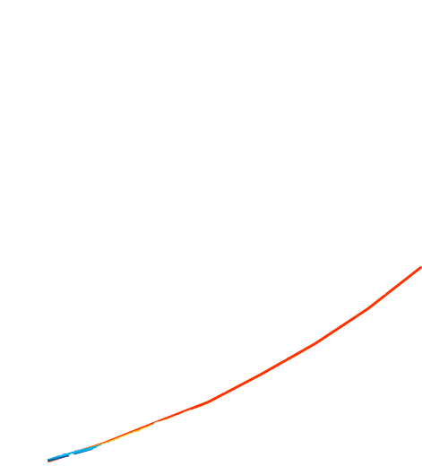

picture_original
